Disclaimer
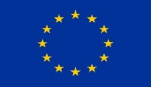 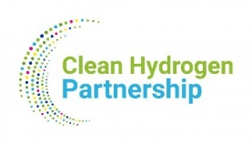
The THyGA project's goal was to investigate how the end-use appliances(residential and commercial) would behave when fuelled with H2NG blends, evaluating safety, efficiency, lifetime, and environmental performance. The project consortium also worked on recommendations for supporting standardization activities and mitigation test and actions that would support high scale deployement of H2NG blends for new and existing appliances. The project published 18 public reports, and organized several workshops, all available on the website https://thyga-project.eu/ To support the objectives of the European Commission and the Clean Hydrogen Partnership towards knowledge sharing, the THyGA project also published some OpenDatasets on the website: https://thyga-project.eu/category/open-access-data/
This Excel sheets allows to calculate the O2% to be used for adjustment, based on a %CO2 given by the manufacturer. This is an effective solution to cope with adjustment issues, as described in deliverable -The THyGA project advises the user to read the report before using this calculation sheets -The THyGA project will not be responsible for mis-use of the Excel sheet or bad implementation on the field.
This project has received funding from the Fuel Cells and Hydrogen 2 Joint Undertaking (now Clean Hydrogen Partnership) under Grant Agreement No 874983. This Joint Undertaking receives support from the European Union’s Horizon 2020 Research and Innovation program, Hydrogen Europe and Hydrogen Europe Research.

